Sheet1
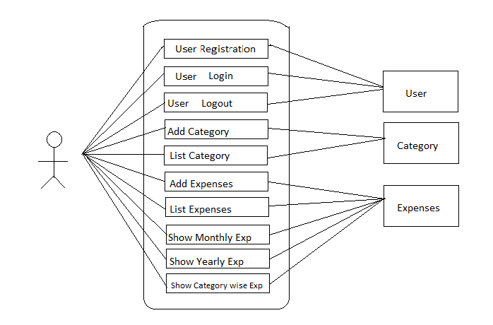
Zero Level DFD Diagram for PEM App

